Graphs
 |  | Graphs: Life vs. % of Charge Voltage Rated and % Voltage Reversal (relations used in calculations)
Live vs. %Voltage Reversal
 | ^1.6 Life |  | ^2.0 Life |  | ^2.6 Life |  | Data from |  | ^2.8 Life
15% | 1.125 | 15% | 1.1584 | 15% | 1.211 | 20% | 1 | 15% | 1.229
20% | 1.000 | 20% | 1.0000 | 20% | 1.000 | 25% | 0.72 | 20% | 1.000
25% | 0.882 | 25% | 0.8549 | 25% | 0.816 | 30% | 0.545 | 25% | 0.803
30% | 0.771 | 30% | 0.7226 | 30% | 0.655 | 35% | 0.4 | 30% | 0.635
35% | 0.667 | 35% | 0.6029 | 35% | 0.518 | 40% | 0.29 | 35% | 0.492
40% | 0.570 | 40% | 0.4957 | 40% | 0.402 | 45% | 0.22 | 40% | 0.374
45% | 0.481 | 45% | 0.4010 | 45% | 0.305 | 50% | 0.16 | 45% | 0.278
50% | 0.400 | 50% | 0.3182 | 50% | 0.226 | 55% | 0.11 | 50% | 0.201
55% | 0.327 | 55% | 0.2470 | 55% | 0.162 | 60% | 0.082 | 55% | 0.141
60% | 0.261 | 60% | 0.1867 | 60% | 0.113 | 65% | 0.057 | 60% | 0.095
65% | 0.203 | 65% | 0.1366 | 65% | 0.075 | 70% | 0.038 | 65% | 0.062
70% | 0.153 | 70% | 0.0957 | 70% | 0.047 | 75% | 0.024 | 70% | 0.037
75% | 0.110 | 75% | 0.0634 | 75% | 0.028 | 80% | 0.0135 | 75% | 0.021
80% | 0.074 | 80% | 0.0386 | 80% | 0.015 | 85% |  | 80% | 0.011
85% | 0.045 | 85% | 0.0207 | 85% | 0.006 |  |  | 85% | 0.004
90% | 0.023 | 90% | 0.0087 | 90% | 0.002 |  |  | 90% | 0.001
95% | 0.007 | 95% | 0.0021 | 95% | 0.000 |  |  | 95% | 0.000
99% | 0.001 | 99% | 0.0001 | 99% | 0.000 |  |  | 99% | 0.000
Live vs. Charge Voltage % of Rated
Charge Voltage vs. Life |  |  |  | Voltage Reversal Version Jim Lux |  |  |  |  |  |  |  | Voltage Reversal |  |  | Voltage Reversal |  |  | Voltage Reversal |  |  | Exper. Life
 |  |  |  | Coefficient of Life, exponent 1.6 |  |  |  |  |  |  |  | Coefficient of Life, exponent 2 |  |  | Coefficient of Life, exponent 2.6 |  |  | Coefficient of Life, exponent 2.85 |  |  | Expectancy
Charge | Life |  |  |  |  |  |  |  |  |  |  |  |  |  |  |  |  |  |  |  | Muliplier
Voltage | Expectancy |  |  | Voltage | ^1.6 Life |  |  |  |  |  |  | Voltage | ^2.0 Life |  | Voltage | ^2.6 Life |  | Voltage | ^2.8 Life |  | Data from
% of Rated | Muliplier |  |  | Reversal | Expectancy | Q |  |  |  |  |  | Reversal | Expectancy | Q | Reversal | Expectancy | Q | Reversal | Expectancy | Q | Maxwell's
15% | 1.51E+06 |  |  | % | Muliplier |  |  |  |  |  |  | % | Muliplier |  | % | Muliplier |  | % | Muliplier |  | Graph | calc-exp. D | D^2
20% | 1.75E+05 |  |  | 15% | 1.125 | 1.298 |  |  |  |  |  | 15% | 1.1584 | 1.298 | 15% | 1.211 | 1.298 | 15% | 1.229 | 1.298
25% | 32768 |  |  | 20% | 1.000 | 1.397 |  |  |  |  |  | 20% | 1.0000 | 1.397 | 20% | 1.000 | 1.397 | 20% | 1.000 | 1.397 | 1 | 0.000 | 0
30% | 8348 |  |  | 25% | 0.882 | 1.511 |  |  |  |  |  | 25% | 0.8549 | 1.511 | 25% | 0.816 | 1.511 | 25% | 0.803 | 1.511 | 0.72 | 0.083 | 0.0068840362048
35% | 2627 |  |  | 30% | 0.771 | 1.644 |  |  |  |  |  | 30% | 0.7226 | 1.644 | 30% | 0.655 | 1.644 | 30% | 0.635 | 1.644 | 0.545 | 0.090 | 0.0080136532657
40% | 965.1 |  |  | 35% | 0.667 | 1.800 |  |  |  |  |  | 35% | 0.6029 | 1.800 | 35% | 0.518 | 1.800 | 35% | 0.492 | 1.800 | 0.4 | 0.092 | 0.0085369985791
45% | 398.9 |  |  | 40% | 0.570 | 1.985 |  |  |  |  |  | 40% | 0.4957 | 1.985 | 40% | 0.402 | 1.985 | 40% | 0.374 | 1.985 | 0.29 | 0.084 | 0.007122896666
50% | 181.0 |  |  | 45% | 0.481 | 2.207 |  |  |  |  |  | 45% | 0.4010 | 2.207 | 45% | 0.305 | 2.207 | 45% | 0.278 | 2.207 | 0.22 | 0.058 | 0.0033857858286
55% | 88.57 |  |  | 50% | 0.400 | 2.477 |  |  |  |  |  | 50% | 0.3182 | 2.477 | 50% | 0.226 | 2.477 | 50% | 0.201 | 2.477 | 0.16 | 0.041 | 0.0017058648295
60% | 46.12 |  |  | 55% | 0.327 | 2.811 |  |  |  |  |  | 55% | 0.2470 | 2.811 | 55% | 0.162 | 2.811 | 55% | 0.141 | 2.811 | 0.11 | 0.031 | 0.00097460842035
65% | 25.30 |  |  | 60% | 0.261 | 3.234 |  |  |  |  |  | 60% | 0.1867 | 3.234 | 60% | 0.113 | 3.234 | 60% | 0.095 | 3.234 | 0.082 | 0.013 | 0.00018075016328
70% | 14.51 |  |  | 65% | 0.203 | 3.781 |  |  |  |  |  | 65% | 0.1366 | 3.781 | 65% | 0.075 | 3.781 | 65% | 0.062 | 3.781 | 0.057 | 0.005 | 2.111046456E-05
75% | 8.650 |  |  | 70% | 0.153 | 4.516 |  |  |  |  |  | 70% | 0.0957 | 4.516 | 70% | 0.047 | 4.516 | 70% | 0.037 | 4.516 | 0.038 | -0.001 | 2.973925991E-07
80% | 5.331 |  |  | 75% | 0.110 | 5.551 |  |  |  |  |  | 75% | 0.0634 | 5.551 | 75% | 0.0277 | 5.551 | 75% | 0.021 | 5.551 | 0.024 | -0.003 | 8.8879993655E-06
85% | 3.383 |  |  | 80% | 0.074 | 7.110 |  |  |  |  |  | 80% | 0.0386 | 7.110 | 80% | 0.0146 | 7.110 | 80% | 0.011 | 7.110 | 0.0135 | -0.003 | 8.940755349E-06
90% | 2.204 |  |  | 85% | 0.0449 | 9.717 |  |  |  |  |  | 85% | 0.0207 | 9.717 | 85% | 0.0065 | 9.717 | 85% | 0.0044 | 9.717
95% | 1.469 |  |  | 90% | 0.0226 | 14.942 |  |  |  |  |  | 90% | 0.0087 | 14.942 | 90% | 0.0021 | 14.942 | 90% | 0.0013 | 14.942
100% | 1 |  |  | 95% | 0.0072 | 30.640 |  |  |  |  |  | 95% | 0.0021 | 30.640 | 95% | 0.0003 | 30.640 | 95% | 0.0002 | 30.640
105% | 0.694 |  |  | 99% | 0.0005 | 156.296 |  |  |  |  |  | 99% | 0.0001 | 156.296 | 99% | 0.0000 | 156.296 | 99% | 0.0000 | 156.296
110% | 0.489
115% | 0.351 |  |  | VR.ref | Exponent | Qref |  |  |  |  |  | VR.ref | Exponent | Qref | VR.ref | Exponent | Qref | VR.ref | Exponent | Qref | Sum D^2 |  | Sum D^2
120% | 0.255 |  |  | 20% | 1.600 | 1.397 |  |  |  |  |  | 20% | 2.000 | 1.397 | 20% | 2.600 | 1.397 | 20% | 2.800 | 1.397 | 2.4785859917 |  | 0.036843830569

 |  |  |  |  |  |  |  | VR.exponent
Lx = Lref * (Qref/Qx)^1.6 * (Vref/Vx)^7.5 |  |  |  | Lx = Lref * (Qref/Qx)^1.6 * (Vref/Vx)^7.5 |  |  |  | 1.600 | Table |  | Lx = Lref * (Qref/Qx)^2.0 * (Vref/Vx)^7.5 |  |  |  | Lx = Lref * (Qref/Qx)^2.6 * (Vref/Vx)^7.5 |  |  |  | Lx = Lref * (Qref/Qx)^2.8 * (Vref/Vx)^7.5
 |  |  |  | Q = sqrt( 1 + 1 /( 2 /pi*ln(VR))^2) |  |  |  | 2.000 | <-- for dropdown-Input |  | Q = sqrt( 1 + 1 /( 2 /pi*ln(VR))^2) |  |  |  | Q = sqrt( 1 + 1 /( 2 /pi*ln(VR))^2) |  |  |  | Q = sqrt( 1 + 1 /( 2 /pi*ln(VR))^2)
 |  |  |  |  |  |  |  | 2.600
 |  |  |  |  |  |  |  | 2.800

Copyright 1998, Jim Lux / caplife.htm / 9 May 1998 |  |  | High Voltage Experimenter's Handbook

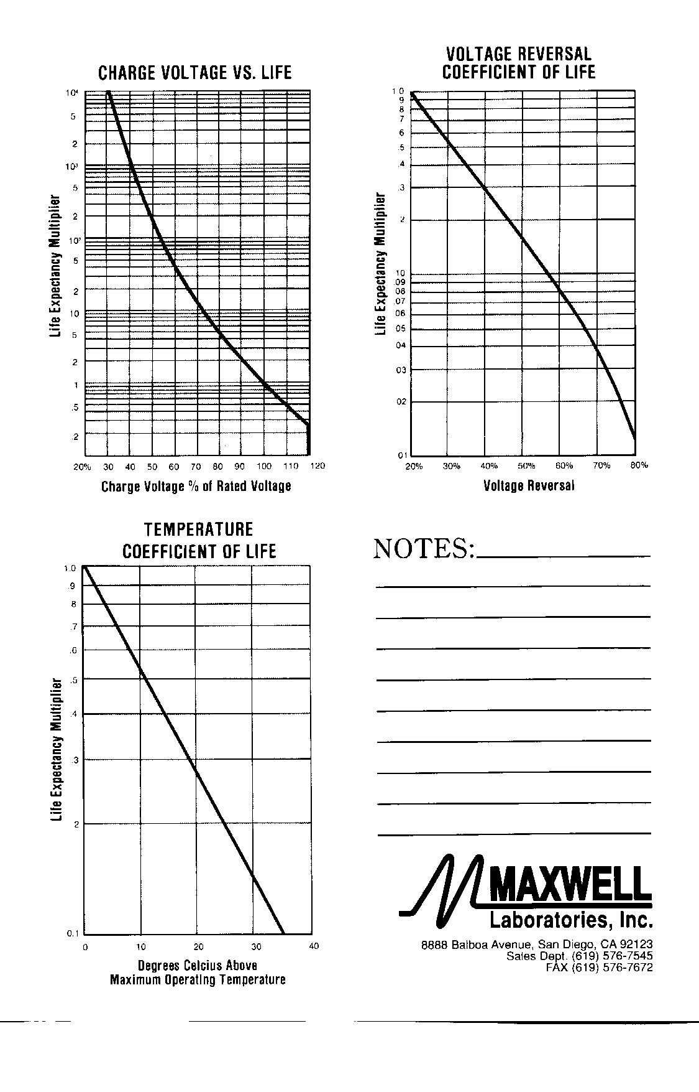
 |  |  |  |  |  |  |  |  |  | Fitting "experimental" Data from Maxwell's Graph
 |  |  |  |  |  |  |  | Data from |  | Unsuccessful: the character of the curve is not represented adequately.
 |  |  |  |  |  |  |  | Maxwell's
Live vs. %Voltage Reversal
 | Data from |  | ^1.6 Life |  | ^2.8 Life |  | Linear Life
20% | 1 | 15% | 1.125 | 15% | 1.229 | 20% | 1.1931298733
25% | 0.72 | 20% | 1.000 | 20% | 1.000 | 25% | 0.84417116738
30% | 0.545 | 25% | 0.882 | 25% | 0.803 | 30% | 0.59727358753
35% | 0.4 | 30% | 0.771 | 30% | 0.635 | 35% | 0.42258697305
40% | 0.29 | 35% | 0.667 | 35% | 0.492 | 40% | 0.29899154009
45% | 0.22 | 40% | 0.570 | 40% | 0.374 | 45% | 0.211544479
50% | 0.16 | 45% | 0.481 | 45% | 0.278 | 50% | 0.14967335391
55% | 0.11 | 50% | 0.400 | 50% | 0.201 | 55% | 0.10589788481
60% | 0.082 | 55% | 0.327 | 55% | 0.141 | 60% | 0.074925574361
65% | 0.057 | 60% | 0.261 | 60% | 0.095 | 65% | 0.05301183969
70% | 0.038 | 65% | 0.203 | 65% | 0.062 | 70% | 0.037507288683
75% | 0.024 | 70% | 0.153 | 70% | 0.037 | 75% | 0.026537405844
80% | 0.0135 | 75% | 0.110 | 75% | 0.021 | 80% | 0.018775921525
 |  | 80% | 0.074 | 80% | 0.011
 |  | 85% | 0.045 | 85% | 0.004
 |  | 90% | 0.023 | 90% | 0.001
 |  | 95% | 0.007 | 95% | 0.000
 |  | 99% | 0.001 | 99% | 0.000
 |  |  |  |  |  |  |  | Graph
 |  |  |  |  |  |  | Voltage | Exper. Life |  |  |  |  |  |  | Log of Life | Linear Life
 |  |  |  |  |  |  | Reversal | Expectancy |  |  |  |  |  |  | Expectancy | Expectancy
 |  |  |  |  |  |  | % | Muliplier |  |  |  |  |  |  | Muliplier | Muliplier Fit
 |  |  |  |  |  |  | 20% | 1 |  |  |  |  |  |  | 0 | 1.1931298733
 |  |  |  |  |  |  | 25% | 0.72 |  |  |  |  |  |  | -0.32850406697 | 0.84417116738
 |  |  |  |  |  |  | 30% | 0.545 |  |  |  |  |  |  | -0.60696948432 | 0.59727358753
 |  |  |  |  |  |  | 35% | 0.4 |  |  |  |  |  |  | -0.91629073187 | 0.42258697305
 |  |  |  |  |  |  | 40% | 0.29 |  |  |  |  |  |  | -1.237874356 | 0.29899154009
 |  |  |  |  |  |  | 45% | 0.22 |  |  |  |  |  |  | -1.5141277326 | 0.211544479
 |  |  |  |  |  |  | 50% | 0.16 |  |  |  |  |  |  | -1.8325814637 | 0.14967335391
 |  |  |  |  |  |  | 55% | 0.11 |  |  |  |  |  |  | -2.2072749132 | 0.10589788481
 |  |  |  |  |  |  | 60% | 0.082 |  |  |  |  |  |  | -2.5010360317 | 0.074925574361
 |  |  |  |  |  |  | 65% | 0.057 |  |  |  |  |  |  | -2.8647040111 | 0.05301183969
 |  |  |  |  |  |  | 70% | 0.038 |  |  |  |  |  |  | -3.2701691193 | 0.037507288683
 |  |  |  |  |  |  | 75% | 0.024 |  |  |  |  |  |  | -3.7297014486 | 0.026537405844
 |  |  |  |  |  |  | 80% | 0.0135 |  |  |  |  |  |  | -4.3050655935 | 0.018775921525

 |  |  |  |  |  |  | GA/Maxwell source for Data:
 |  |  |  |  |  |  | http://www.ga.com/capacitor-product-guide
 |  |  |  |  |  |  | http://www.ga.com/series-s-ss-high-voltage-1-pps-capacitors
 |  |  |  |  |  |  | http://www.ga.com/series-se-sse-high-voltage-1000-pps-capacitors
 |  |  |  |  |  |  | http://www.ga.com/series-de-high-voltage-pulse-discharge-capacitors

 |  |  |  |  |  |  | GA/Maxwell | Standard Capacitor Products Information Request Form
 |  |  |  |  |  |  | http://www.ga.com/standard-capacitor-products-information-request-form

 |  |  |  |  |  |  | Graph from GA/Maxwell Standard Capacitor Products Information Request Form

 |  |  |  |  |  |  | GA/Maxwell: https://www.google.com/url....Fvoltage-reversal.pdf&usg=AOvVaw0Tb4kngjpLkXGUoroep-It

